Dala Sales & Deliveries
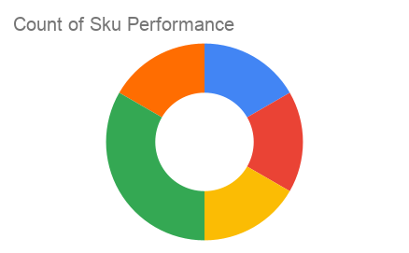
Total Invoices Delivered | 3.00 | Sku Performance | Units | Value
Unique Locations Supplied | 3.00 | 500g Grandios Brown Pap (20x) | 2.00 | 64,000.00
Total Value of orders | 192,000.00 | 500g Grandios White Pap (20x) | 2.00 | 64,000.00
 |  | 500g Grandios Yellow Pap (20x) | 2.00 | 64,000.00
 |  | 50g Grandios Brown Pap (120x) | 0.00 | 0.00
 |  | 50g Grandios Yellow Pap (120x) | 0.00 | 0.00
 |  | 50g Grandios Brown Pap (120x) | 0.00 | 0.00
 |  |  | 0.00 | 0.00
 |  |  | 0.00 | 0.00
 |  |  | 0.00 | 0.00
 |  |  | 0.00 | 0.00
 |  |  | 0.00 | 0.00
 |  |  | 0.00 | 0.00

